Sheet1
 |  | 500 Grant Ave. East Butler, PA 16029
 |  | Phone: (866) 412-6977
 |  | Email: info@isoclimasg.com

 |  |  |  | Date of Inquiry

Formerly Dlubak Specialty Glass Company |  |  |  | Date required
 |  |  | Please allow two business days for all bent glass inquiries

Company Name: |  |  | Contact Person:
Address |  |  | Phone:
State |  |  | E-mail:
Zip |  |  | Job Name:
 |  |  | Customer Internal Reference No.

Is this quote based on prior Isoclima Quote / Order? |  | (Y/N)

 | If yes, list reference number

Mark No.
PRODUCT TYPE |  |  |  | Please sketch your requirements.
MONOLITHIC (Y/N)
LAMINATED (Y/N)
INSULATED (Y/N) All units insulated with 1/2" Flexible Black Spacer
Glass Type
Exterior - Glass Thickness
Exterior - Glass Color
Exterior - Heat Treatment
Interior - Glass Thickness Only use in laminated and/or insulated
Interior - Glass Color Only use in laminated and/or insulated
Interior - Heat Treatment Only use in laminated and/or insulated
Spacer for Insulated Units
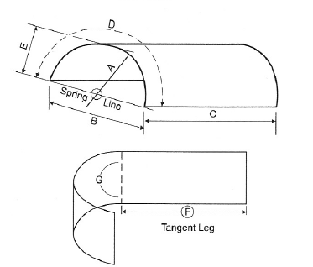
1/2" Black Flexible Spacer
Thickness
Quantity Req.
A: Outside Radius (OSR)
B: Chord
C: Height
D: Outside Length (Girth)
E: Rise
F1: Tangent
F2: Tangent
G: Degree
Edgework Required - All edges seamed unless polishing requested
Polished Edge (Y/N)
Exposed Edge (Y/N)
CAD DRAWINGS OR TEMPLATES ARE REQUIRED FOR ALL ORDERS

